Metrics
 | Growth Defensive | Growth v2.0
1/4/2000 | 1000 | 1000
1/5/2000 | 1003.0357 | 1003.0357
1/6/2000 | 1005.2936337 | 1005.2936337
1/7/2000 | 1005.0595008 | 1005.0595008
1/10/2000 | 1019.5505492 | 1019.5505492
1/11/2000 | 1037.2630989 | 1037.2630989
1/12/2000 | 1026.5011831 | 1026.5011831
1/13/2000 | 1026.9535621 | 1022.1150462
1/14/2000 | 1032.6075577 | 1022.9304895
1/17/2000 | 1023.4402743 | 1013.8522883
1/18/2000 | 1015.7541355 | 1007.7945209
1/19/2000 | 1015.5675415 | 1010.7826317
1/20/2000 | 1034.9356332 | 1025.2020524
1/21/2000 | 1020.5198077 | 1012.5146644
1/24/2000 | 1007.9490447 | 1003.2564328
1/25/2000 | 1000.6377856 | 992.84584144
1/27/2000 | 1003.9622045 | 986.48150102
1/28/2000 | 1035.8768578 | 1004.8509704
1/31/2000 | 1011.6807426 | 998.54422421
2/1/2000 | 998.54801368 | 999.98302658
2/2/2000 | 1000.963701 | 1006.5380153
2/3/2000 | 988.77546653 | 1005.3067174
2/4/2000 | 981.66449 | 1000.8141022
2/7/2000 | 991.34124771 | 1007.8328115
2/8/2000 | 988.44306158 | 1011.0244164
2/9/2000 | 997.39272159 | 1023.7044824
2/10/2000 | 995.47852548 | 1020.8417952
2/11/2000 | 1031.6136991 | 1053.530987
2/14/2000 | 1025.0963764 | 1057.2641741
2/15/2000 | 1061.8487468 | 1082.8458438
2/16/2000 | 1054.3990283 | 1080.9245504
2/17/2000 | 1256.0152004 | 1285.8058001
2/18/2000 | 1254.4432974 | 1290.2876048
2/21/2000 | 1247.0552536 | 1284.8357525
2/22/2000 | 1235.0448645 | 1266.4659419
2/23/2000 | 1219.4032683 | 1268.2302556
2/24/2000 | 1215.1285282 | 1256.82709
2/25/2000 | 1160.6080199 | 1237.5364281
2/28/2000 | 1140.0423939 | 1223.9048406
2/29/2000 | 1143.4728955 | 1225.1020643
3/1/2000 | 1164.2263568 | 1245.7114663
3/2/2000 | 1160.1895183 | 1244.1241807
3/3/2000 | 1164.2657282 | 1252.5286128
3/6/2000 | 1174.2663051 | 1259.0436404
3/7/2000 | 1172.5494103 | 1259.1765954
3/8/2000 | 1185.238271 | 1274.489442
3/9/2000 | 1248.8227486 | 1338.6481326
3/10/2000 | 1239.9980675 | 1320.7095783
3/13/2000 | 1221.3357246 | 1329.5790676
3/14/2000 | 1202.1462198 | 1308.3621767
...
 |  |  |  | Equity Growth Defensive vs v2.0 (Log Scale)
Growth Portfolio Perfoamnce Statistics
 | Defensive | v2.0 | Buy&Hold ($XAOA.au)
Initial capital | 100000 | 100000 | 100000
Ending capital | 6310960.49 | 5147398.25 | 604071.03
Net Profit | 6210960.49 | 5047398.25 | 504071.03
Net Profit % | 6210.96% | 5047.40% | 504.07%
Time In Market % | 48.29% | 72.67% | 100.00%
Net Risk Adjusted Return % | 12860.67% | 6945.52% | 504.07%
Annual Return % | 20.78% | 19.66% | 8.54%
Risk Adjusted Return % | 43.02% | 27.06% | 8.54%
Transaction costs | 13585 | 9158 | 19

All trades | 715 | 482 | 1
Avg. Profit/Loss | 8686.66 | 10471.78 | 504071.03
Avg. Profit/Loss % | 6.51% | 9.45% | 504.12%
Avg. Bars Held | 38.48 | 84.02 | 5558

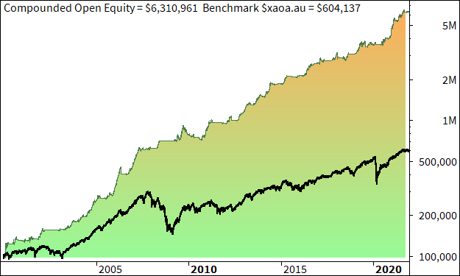
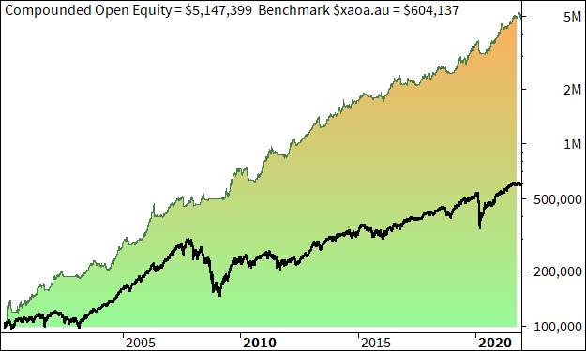
Winners | 377 (52.73 %) | 252 (52.28 %) | 1 (100.00 %) | Equity Growth Defensive vs All Aords Accumulation (XAOA) | Equity Growth v2.0 vs All Aords Accumulation (XAOA)
Total Profit | 8968341.03 | 7837293.71 | 504071.03
Avg. Profit | 23788.7 | 31100.37 | 504071.03
Avg. Profit % | 17.22% | 28.02% | 504.12%
Avg. Bars Held | 49.99 | 120.86 | 5558
Max. Consecutive | 11 | 10 | 1
Largest win | 672778.12 | 746125.5 | 504071.03
# bars in largest win | 86 | 308 | 5558

Losers | 338 (47.27 %) | 230 (47.72 %) | 0 (0.00 %)
Total Loss | -2757380.54 | -2789895.46 | 0
Avg. Loss | -8157.93 | -12129.98 | -nan(ind)
Avg. Loss % | -5.44% | -10.89% | -nan(ind)%
Avg. Bars Held | 25.64 | 43.65 | -nan(ind)
Max. Consecutive | 11 | 8 | 0
Largest loss | -102230.78 | -82635.21 | 0
# bars in largest loss | 59 | 46 | 0 | Underwater Equity Defensive | Underwater Equity v2.0
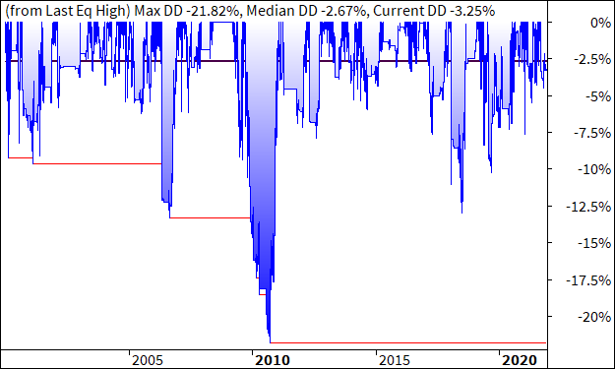
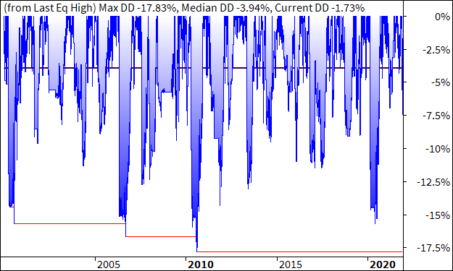

Max. trade drawdown | -277169.82 | -240606.37 | -195383.2
Max. trade % drawdown | -46.99 | -84.73 | -51.43
Max. system drawdown | -412413.05 | -575361.26 | -195383.2
Max. system % drawdown | -21.82% | -17.83% | -51.43%
Recovery Factor | 15.06 | 8.77 | 2.58
CAR/MaxDD | 0.95 | 1.1 | 0.17
RAR/MaxDD | 1.97 | 1.52 | 0.17
Profit Factor | 3.25 | 2.81 | inf
Payoff Ratio | 2.92 | 2.56 | nan
Standard Error | 632052.38 | 487674.71 | 42143.37
Risk-Reward Ratio | 0.33 | 0.36 | 0.46
Ulcer Index | 5.43 | 6.41 | 14
Ulcer Performance Index | 2.83 | 2.22 | 0.22
Sharpe Ratio of trades | 0.65 | 0.41 | inf
K-Ratio | 0.03 | 0.03 | 0.04 | Annual Returns Defensive | Annual Returns v2.0
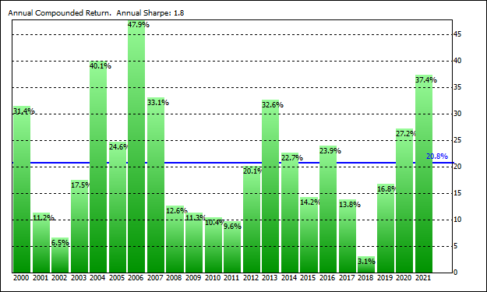
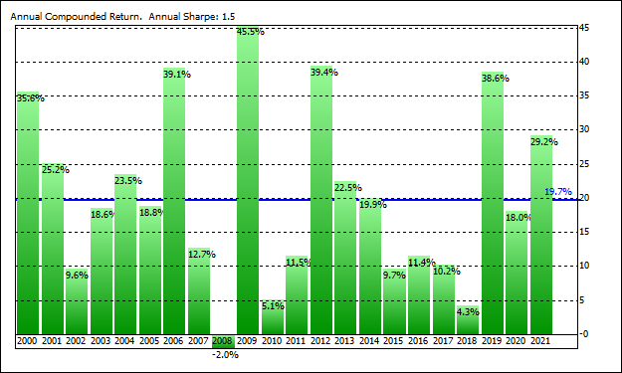

Trades Per Annum | 33 | 22
Years in Test | 21.9 | 21.9
Max Open Positions | 10 | 10
Capital Employment % | 48% | 72%
Annualised Volatility of Returns | 17.47% | 15.06%
Annual Returns Std Dev | 11.62 | 12.77
Annual Returns Sharpe Ratio | 1.8 | 1.5
Sortino Ratio | 0.58 | 0.51
Omega Ratio | 1.45 | 1.3
Filtered CARMDD | 0 | 1.1
Median Drawdown % | 2.67% | 3.94%
Max Open Equity Drawdown | -21.82% | -17.83%
Max Closed Equity Drawdown | -12.64% | -12.05%
Date of Max Open Drawdown | 2010-10-05 | 2010-08-24
Date of Max Closed Drawdown | 2011-01-31 | 2000-10-02
Longest Drawdown Period (Months) | 16.6 | 12.7 |  | Closed Equity Defensive vs All Aords Accumulation (XAOA) | Closed Equity v2.0 vs All Aords Accumulation (XAOA)
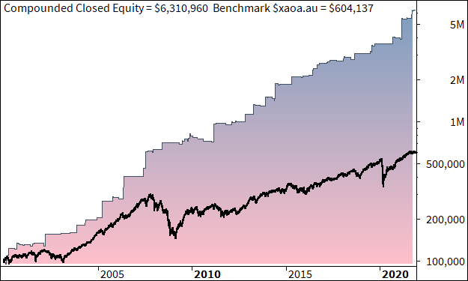
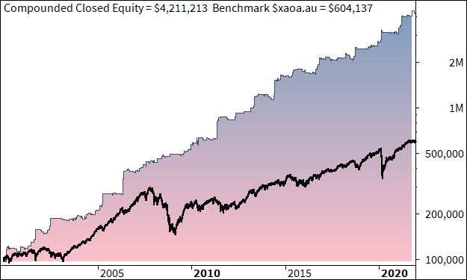
Largest Trade Loss % | -45.57% | -136.92%
Largest Trade Win % | 239.77% | 229.43%
Longest Trade Holding Period (Bars) | 213 | 397
Correlation with Index | 0.9587 | 0.9615
DD1 | 21.82 | 17.83
DD2 | 13.31 | 16.63
DD3 | 13 | 15.69
DD4 | 10.22 | 15.69
DD5 | 9.63 | 14.29
Current Drawdown | 3.25 | 1.73
Std Dev of Trade Returns | 23.45% | 33.84%
Trade P&L 95% Confidence Interval - Upper | 8.26% | 12.52%
Trade P&L 95% Confidence Interval - Lower | 4.75% | 6.39%
Percentage of Trades Making 80% of Profit | 8.50% | 8.20%
Percentage of Trades Making 100% of Profit | 13.30% | 12.30%
95th Percentile Trade Return | 42.08% | 61.05%
5th Percentile Trade Return | -13.68% | -20.90%
Tail Ratio | 3.08 | 2.92 |  | Months Since Equity High Defensive | Months Since Equity High v2.0
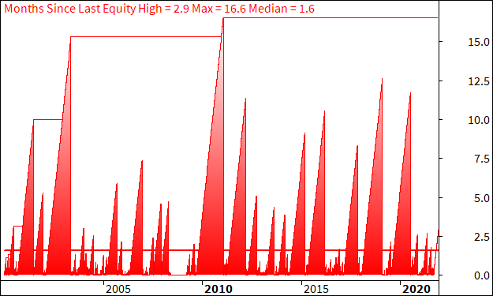
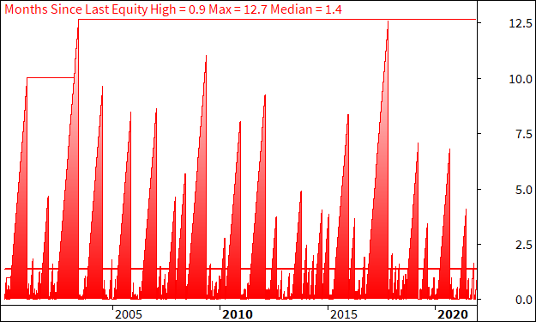
Filter Used | Watchlist: All Ordinaries Current & Past | Watchlist: All Ordinaries Current & Past
Backtest Start Date | 2000-01-04 | 2000-01-04
Backtest End Date | 2021-12-13 | 2021-12-13

